Notes
NOTES TO FINANCIAL STATEMENTS - TFI (drawn up for quarterly reporting periods) Name of the issuer: CIAK Grupa d.d. Personal identification number (OIB): 28466564680 Reporting period: 01.12.2025.-31.12.2025. Notes to financial statements for quarterly periods include: a) explanation of business events relevant to understanding changes in the statement of financial position and financial performance for the reporting semi-annual period of the issuer with respect to the last business year: information is provided regarding these events and relevant information published in the last annual financial statement is updated (items 15 to 15C IAS 34 - Interim financial reporting) b) information on the access to the latest annual financial statements, for the purpose of understanding information published in the notes to financial statements drawn up for the semi-annual reporting period c) a statement explaining that the same accounting policies are applied while drawing up financial statements for the semi-annual reporting period as in the latest annual financial statements or, in the case where the accounting policies have changed, a description of the nature and effect of the changes (item 16.A (a) IAS 34 - Interim financial reporting) d) a description of the financial performance in the case of the issuer whose business is seasonal (items 37 and 38 IAS 34 - Interim financial reporting) e) other comments prescribed by IAS 34 - Interim financial reporting f) in the notes to quarterly periods financial statements, in addition to the information stated above, information

Non-consolidated financial results for the year ended 31 December 2025 have been prepared in accordance with IAS 34 – Interim Financial Reporting, as endorsed by the European Union (EU). Non-consolidated financial results do not include all the information and disclosures required in the annual financial statements and should be read in conjunction with the Company’s annual financial statements as of 31 December 2024. The Company’s annual financial statements are prepared in accordance with International Financial Reporting Standards (IFRS) as endorsed by EU. Financial statements are available on CIAK Grupa web-site: www.ciak.hr
The unaudited non-consolidated financial results for the year ended December 31, 2025 have been prepared using the same accounting policies, presentation, and calculation methods as those applied in the preparation of the Company’s annual financial statements as of December 31, 2024.
The Company is not exposed to significant seasonal or cyclical changes in its operations.
Other disclosures prescribed by IAS 34 - Interim financial reporting that is not presented elsewhere in the statement of financial position, statement of comprehensive income, statement of cash flows and statement of changes in equity are disclosed in the non-consolidated financial results for the year ended 31 December 2025.
Issuer’s name, registered office (address), legal form, country of establishment, entity’s registration number are disclosed in the sheet General data of this document and in the General information of non-consolidated financial results for the year ended 31 December 2025.

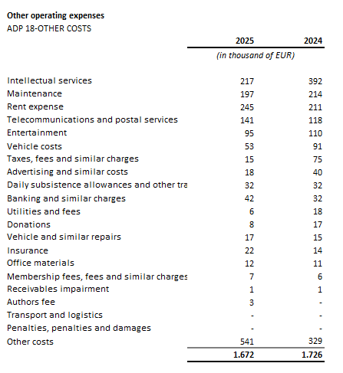

The Company enters into transactions with the related parties, owned by the Company, shareholders and other entities owned or controlled by the Company and ultimate controlling party.
The table above shows related party transactions that relate to profit and loss account balances as at 31 December 2024 and as at 31 December 2025.
The Company has liabilities maturing in more than five years amounting to EUR 8,790 thousand. These are presented under item ADP 103. The stated liabilities are secured by mortgages on real estate owned by related companies.
In the year ended 31 December 2025, the average number of employees in the Company was 111. The Company does not categorise employees.
During 2025, there were movements in deferred tax asset positions amounting to a decrease of EUR 15 thousand.
The Company has no participating interest.
The Company has a nominal number of shares totaling 19,751,989. The nominal value per share is EUR 1.33.
The Company has no participation certificates, convertible debentures, warrants, options or similar securities or rights.
The Company has no interests in partnerships with unlimited liability.
The consolidated financial statements of the issuer cover the largest group of companies. The majority owner of the issuer is Ivan Leko.
There are no material events arising after the balance sheet date which are not reflected in the profit and loss account or balance sheet.
Lease liabilties arising from the application of IFRS 16 are stated under ADP 102 and ADP 114, while right-of-use assets are stated under ADP 18 and ADP 19.
Provisions are presented within liabilities according to their maturity, so short-term provisions are shown under ADP 123. The amount of short-term provisions as of December 31, 2025, is €51 thousand (as of December 31, 2024: €55 thousand).

