Notes
NOTES TO FINANCIAL STATEMENTS – QFS (drawn up for quarterly periods) Name of the issuer: CIAK Grupa d.d. Personal identification number (OIB): 28466564680 Reporting period: 1.1.2026.-30.6.2026. Notes to financial statements for quarterly periods include: a) explanation of business events relevant to understanding changes in the statement of financial position and financial performance for the quarterly reporting period of the issuer with respect to the last business year: information is provided regarding these events and relevant information published in the last annual financial statement is updated (paragraphs 15 to 15c of the IAS 34 – Interim Financial Reporting) b) information on the access to the latest annual financial statements, for the purpose of understanding information published in the notes to financial statements drawn up for the quarterly reporting period c) a statement explaining that the same accounting policies are applied while drawing up financial statements for the quarterly reporting period as in the latest annual financial statements or, in the case where the accounting policies have changed, a description of the nature and effect of the changes (paragraph 16A(a) of the IAS 34 – Interim Financial Reporting d) a description of the financial performance in the case of the issuer whose business is seasonal (paragraphs 37 and 38 of the IAS 34 – Interim Financial Reporting) e) other disclosures prescribed by the IAS 34 – Interim Financial Reporting, and f) in the notes to the quarterly financial statements, in addition to the information stated above, information in respect of the following matters shall be disclosed: 1. issuer’s name, registered office (address), legal form, country of establishment, entity’s registration number and, if applicable, the indication whether the issuer is undergoing liquidation, bankruptcy proceedings, shortened termination proceedings or extraordinary administration 2. adopted accounting policies (only an indic

The condensed consolidated financial statements for the six-month period ended 30 June 2026 have been prepared in accordance with IAS 34 – Interim Financial Reporting, as endorsed by the European Union (EU). The condensed consolidated financial statements do not include all the information and disclosures required in the annual financial statements and should be read in conjunction with the Group’s annual consolidated financial statements as of 31 December 2025. The Group’s annual consolidated financial statements are prepared in accordance with International Financial Reporting Standards (IFRS) as endorsed by EU. Financial statements are available on CIAK Grupa web-site: www.ciak.hr.

The condensed consolidated financial statements for the six-month period ended June 30, 2026, have been prepared based on the same accounting policies, presentation, and calculation methods used in the preparation of the Group's annual consolidated financial statements as of December 31, 2025.

The Group is not exposed to significant seasonal or cyclical changes in its operations.

As of the date of approval of the condensed consolidated financial statements for the six-month period ended June 30, 2026, the operations of the CIAK Group are proceeding smoothly. During the reporting period, there were no extraordinary transactions outside the normal course of business.

Other disclosures prescribed by IAS 34 - Interim financial reporting that is not presented elsewhere in the statement of financial position, statement of comprehensive income, statement of cash flows and statement of changes in equity are disclosed in the Notes 4 to 11 of the condensed consolidated financial statements for the six-month period ended 30 June 2026.

Issuer’s name, registered office (address), legal form, country of establishment, entity’s registration number are disclosed in the sheet General data of this document and in the Note 1 of condensed consolidated financial statements for the six-month period ended 30 June 2026.

Financial commitments at the consolidated level in term of guarantees that are not included in the balance sheet are not material and Management Board believes that possibility of any outflow is remote. Group has no commitments concerning pensions that are in scope of IAS 19.

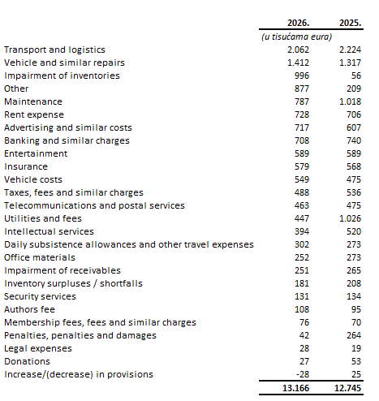

The Group’s lease liabilities maturing after more than five years are presented under ADP 103 and amount to EUR 5,547 thousand as of June 30, 2026.
The Group’s loan liabilities maturing after more than five years are presented under ADP 104 and amount to EUR 8,878 thousand as of June 30, 2026. These liabilities are secured by a mortgage on real estate owned by the related companies.
As of 30 June 2026, the average number of employees in the Group was 3,503. Group does not categorise employees.
During the six-month period in 2026, there was no change in the deferred tax asset position. The increase in the deferred tax liability position amounts to EUR 1 thousand.
The amount and nominal value of the shares are disclosed in the notes to the unconsolidated financial statements of Ciak Grupa d.d.
Group has no participation certificates, convertible debentures, warrants, options or similar securities or rights.
Group has no shares in companies having unlimited liability.
The consolidated financial statements of the issuer cover the largest group of companies. The majority owner of the issuer is Ivan Leko.
The Group has no material transactions with related parties.
There are no significant events that have occurred after the balance sheet date that are not reflected in the income statement or balance sheet.
Lease liabilties arising from the application of IFRS 16 are stated under ADP 103 and ADP 115, while right-of-use assets are stated under ADP 18.
Provisions are presented in accordance with liabilities by maturity, so short-term provisions are shown under ADP 124, and as of June 30, 2026, they amount to EUR 661 thousand.

